Cleaning & Organizing
1. How do annual members and casual riders use Cyclistic bikes differently?
Frequency - How often Casual and Member used the bike?
Duration - How long Casual and Member use the bike?
Month / Week
How long they are using the bike using ride_length both for casual and members | How to convert Excel date to weekday name | https://www.ablebits.com/office-addins-blog/excel-weekday-function/
How often or what day of the week they are using the bike both for casual and members | Calculate distance using gps | https://www.exceldemy.com/calculate-distance-between-two-gps-coordinates-excel/
 | Negative time | https://www.extendoffice.com/documents/excel/1423-excel-display-show-negative-time.html
 | Mode of day of week (=INDEX(ORange,MODE(MATCH(ORange,ORange,0)))) | https://www.extendoffice.com/documents/excel/3397-excel-find-mode-for-text.html#:~:text=Select%20a%20blank%20cell%20you,Ctrl%20%2B%20Shift%20%2B%20Enter%20keys.&text=Formula%20is%20too%20complicated%20to%20remember%3F
Questions and Clarifications on Data | day of week | =TEXT(WEEKDAY(C2), "ddd")
Why there are negative ride_length?
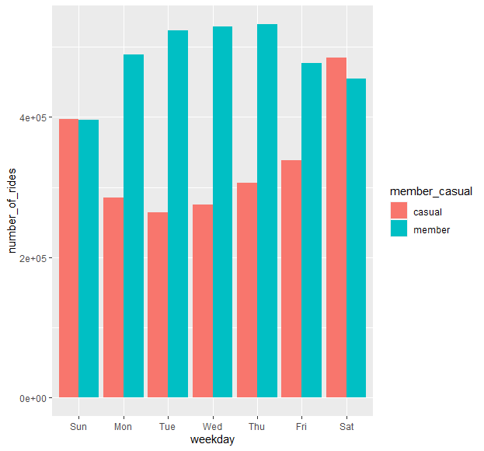
Why there are ride_length that are too long, 12hrs up to hundred hours? Even for casual riders.
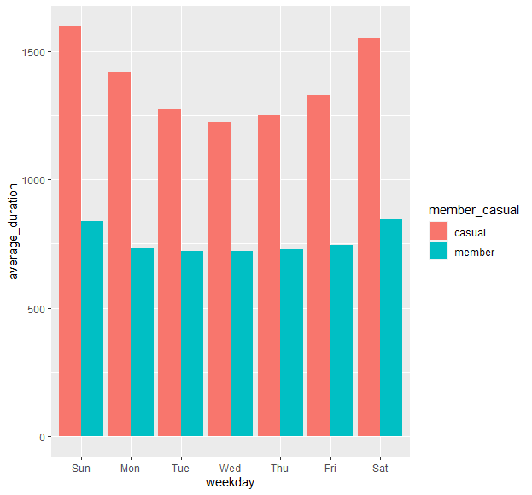
Open file and save as xls from csv to enable excel formula calculations

Check if there are negative ride_length
Check if there are invalid week of the day
Remove negative ride_length (52 records deleted)
Remove ride_length more than 24hrs
Sort by Start date ascending
Remove/delete not needed (8) columns - start_station_name, start_station_id, end_station_name, end_station_id, start_lat, start_lng, end_lat, end_lng

I used excel at first to clean data, beginning at the first to third file, then realize that the succeeding months had more data that will total up to more than million rows. So I decided to start over again using SQL for data gathering. Then do some cleaning at aggregation of tables/data. Then once I got the tables I needed, I switched to R for more cleaning and analysis. After the analysis, I did visualization using a mix of R and Tableu.

